Access - General
 | Nokia / O2 Beacon Checklist Survey

CSR: | 1027 |  |  | Full Site Address: | ARQUIVA SITE
 |  |  |  |  | FULLERS CLOSE
CSR Name: | O2 3G UK 01027 CHESHAM |  |  |  | CHESHAM
 |  |  |  |  | BUCKINGHAMSHIRE
Surveyors Name: | Dave Farmer
 |  |  |  |  | HP51BE
Survey Date: | 2015-05-01

Planned Beacon Deployment |  |  |  | OS Grid Ref: | SP 95601 00818

Proposed TEF config: NSSIHv03
Proposed TEF tech: G9 U9 U21 L08
Proposed antenna: Amphenol 5963200G
Azimuth 0 / 120 / 240
Tech: NSN
Proposed 2No Flexi flatpacks, Proposed Eltek PSU

Access / Egress and General Site Information

Complete all sections below and add additional comments in ALL boxes.

General Information |  | Comments
Type of Cell Site. Cabin, equipment room, purpose built room etc | Compound | Outdoor cabs on concrete plinth
Location of Cell Site in building
Cell site security - Is there 3rd party equipment on site? If yes state who |  | T-mobile/ H3G / VF / O2 / Airwave
Cell site security - Is it possible for the SP to gain access to the BTS? If yes state why. | Yes
Parking Available |  | At site- access via track 100m
Protocol Business Contact Details |  | Comments
Contact Person Name and Number
Organization
Asbestos Management Plan / Register Details |  | Comments
NOTE: It is crucial that a copy of the asbestos management plan / register is requested from the site provider at the time of the survey and inserted to this document. The resister must be fully read and any hazards noted in relation to the survey and BTS installation. Complete the following section in full and add any additional comments where requested or add more detail in the comments field to support the findings on site
Has a copy of the asbestos register been requested from the site provider at the time of the survey? | No - State reason why in the comments field
Is a copy of the register available to be viewed? | No - State reason why in the comments field
Enter the date of the last asbestos inspection carried out
Are there any recorded asbestos related issues within the area of the BTS location? | No
A copy of the register MUST be inserted to this survey document
Has a photograph copy of all the pages of the asbestos register been taken? | No - State reason why in the comments field
Before inserting the photographs, has the image been opened up and checked that ALL wording is clear and eligible? DO NOT Compress or shrink the image, leave as original file size | No - State reason why in the comments field
Insert copy of the asbestos register to the red box. See Comment for process for inserting files in Excel
Access Protocol |  | Comments
Fully Suited?
Details of Special Keys etc: | Access via gateway
Does site require Flood Lights for night working | Yes
Is OOH access possible (particularly weekends & night time)? Give precise days & times
Access / Egress and Delivery Details |  | Comments
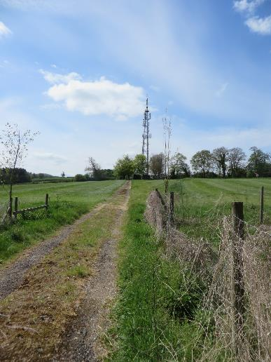
Access / egress from vehicle to kit location clear? | Yes
Are there any ladders or stairs to climb? - Give details (cat ladder diameter) | No
Enter height of ladder to climb
Is there a fall arrest system installed? If yes state the manufacturer and type. If unclear support with photographs | Yes - See comments | On tower
Are there any hatches to impede Delivery? Give details of hatch opening dimensions | No
Any other obstacles blocking way? Pipes, ducting, rubbish etc | No
Access / egress route wide enough to hand carry all kit to Cell Site, including flatpack frames? | Yes | Note: 100m track to site
Is crane required to recover any of the existing cabinets (O2 or VF)? (photographs required of reason why) | No
Is specialist transport required to deliver Beacon kit? (photographs required of reason why) | No
Is specialist transport required to recover any of the existing cabinets (O2 or VF)? (photographs required of reason why) | No
Approach clear inside cell to deliver kit into position | Yes
If the final kit location is occupied is there space within the cell site to temporary store the equipment? If yes give details | See Comments | N/A compound- no storage
Building lift available and can be used for delivery? | No
Hoist needed in building (if fitted does it have certificate) | No
Access / approach route to site clear and suitable for transit type vehicle? | Yes
Distance from vehicle parking to Install Kit |  | 100m
Street Furniture Additional Information |  | Comments
Access / egress for Hi-ab vehicle to WBTS clear?
State Surface Conditions: grass, gravel, flat, etc
Will a road closure, traffic management, pedestrian management be required for any function of the install - state details. |  |  |  |  |  | Traffic Management | Pedestrian Management | See Comments
General Information |  | Comments
Any deficiency (Customer or Nokia) raised on survey called into the Nokia Project Team?
Contact details for reporting ALL deficiencies to the Nokia Project Team | TBC

Additional Comments - Free text all additional comments not covered by the above details that will assist the install process

Document Revision History

Date | Issue | Author | Summary of changes
2012-10-01 | Issue 1.0 | I. Hoard | Draft Issue
2013-01-05 | Issue 2.0 | I. Hoard | All fields updated
2013-02-15 | Issue 3.0 | I. Hoard | Existing PSU tab - additional field added for BTS detail supplied from each PSU

2013-03-08 | Issue 4.0 | B.Bidgood | 'PSU Details AC' worksheet added 'Existing PSU Details' renamed as 'PSU Details DC' Fields added to 'PSU Details DC'
2013-05-07 | Issue 5.0 | I. Hoard | PSU Details DC Tab expanded. Photo tab expanded. Existing RF details now includes requirement for images of cable entry points
2015-01-20 | Issue 6.0 | I. Hoard | Asbestos section add to Access - General tab and asbestos wording changed on line 37 of the H&S tab

Existing VF Ericson Detail
Nokia/ O2 Beacon Checklist Survey

Existing VF 3G / 2G Ericsson BTS Equipment Detail / Audit

Complete all sections below and add additional comments in ALL boxes

Existing VF 2G Ericsson BTS Equipment Hardware Details |  | Comments
Are there any existing VF 2G Ericsson BTS's on site? | No
Indoor or Outdoor deployment? | N/A
N/A
Enter location of the BTS installation | N/A
If deployed within 3rd party cabinet - enter cabinet type | N/A

Existing VF 2G Ericsson BTS Hardware Details
Enter Number of BTS cabinets deployed | 0
Cabinet No1 - Enter Cabinet Type | N/A
Cabinet No2 - Enter Cabinet Type | N/A
Cabinet No3 - Enter Cabinet Type | N/A
What is the installed carrier count? (eg 666222) | 0
What is the integrated carrier count? (eg 666222) | 0
External Alarms - Is this BTS reporting any external alarms? | N/A
External Alarms - Where is the external alarm cable connected too? | N/A
What alarms are to be reported via the BTS? | N/A

Existing VF 2G Ericsson BTS RF Details
Enter Number of G900 BTS sectors | 0
Enter Number of G1800 BTS sectors | 0
G900 - Have the feeders been labeled as per O2 document DS7301? If so which labels have been installed to the feeder? A photograph of the labels is required in the photograph tab | N/A
G1800 - Have the feeders been labeled as per O2 document DS7301? If so which labels have been installed to the feeder? A photograph of the labels is required in the photograph tab | N/A
Have the feeders been labeled to indicate the feeder type and length installed as per O2 document DS7301? If YES supply label details for ALL sectors. A photograph of the labels is required in the photograph tab | N/A
Where are the G900 jumpers installed to? | N/A
Where are the G1800 jumpers installed to? | N/A

Existing VF 2G Ericsson BTS Comms Details
Enter Number of E1 circuits installed between the BTS and transmission equipment | 0
Enter Number of E1 circuits in use | 0
Have all spare E1's cabling been terminated at the NTE? - If not then enter number of open ends in the comments box | N/A
Enter the type of NTE equipment being used for this BTS | N/A
Where is the NTE equipment located? | N/A

Existing VF 2G Ericsson Supporting information
Enter any additional information that is not covered by the above questions and may be relevant and assist with the implementation

Existing VF 3G Ericsson BTS Equipment Hardware Details |  | Comments
Are there any existing VF 3G Ericsson BTS's on site? | No
Indoor or Outdoor deployment? | N/A
Enter location of the BTS installation | N/A
If deployed within 3rd party cabinet - enter cabinet type | N/A

Existing VF 3G Ericsson BTS Hardware Details
Enter Number of BTS cabinets deployed | 0
Cabinet No1 - Enter Cabinet Type | N/A
Cabinet No2 - Enter Cabinet Type | N/A
Cabinet No3 - Enter Cabinet Type | N/A
What is the installed carrier count? (eg 222) | 0
What is the integrated carrier count? (eg 222) | 0
External Alarms - Is this BTS reporting any external alarms? | N/A
External Alarms - Where is the external alarm cable connected too? | N/A
What alarms are to be reported via the BTS? | N/A

Existing VF 3G Ericsson BTS RF Details
Enter Number of U2100 BTS sectors | 0
U2100 - Have the feeders been labeled as per O2 document DS7301? If so which labels have been installed to the feeder? A photograph of the labels is required in the photograph tab | N/A
Have the feeders been labeled to indicate the feeder type and length installed as per O2 document DS7301? If YES supply label details for ALL sectors. A photograph of the labels is required in the photograph tab | N/A
Where are the U2100 jumpers installed to? | N/A

Existing VF 3G Ericsson BTS Comms Details
Enter Number of E1 circuits installed between the BTS and transmission equipment | 0
Enter Number of E1 circuits in use | 0
Have all spare E1 cabling been terminated at the NTE? - If not then enter number of open ends in the comments box | N/A
Enter the type of NTE equipment being used for this BTS | N/A
Where is the NTE equipment located? | N/A

Existing VF 3G Ericsson Supporting information
Enter any additional information that is not covered by the above questions and may be relevant and assist with the implementation

Existing VF Flexi Detail
Nokia / O2 Beacon Checklist Survey

Existing VF 3G / 2G Nokia Multiradio & FlexiBTS Detail / Audit

Complete all sections below and add additional comments in ALL boxes

Existing VF 2G Multiradio BTS Equipment Hardware Details |  |  | Comments
Is there an existing NSN VF 2G Multiradio BTS on site? |  | No

Existing VF 2G Multiradio BTS Hardware Details
Enter location of the BTS installation |  | N/A
Enter the existing hardware deployment of the MR Flexi - Indoor |  | N/A
N/A
Enter the existing hardware deployment of the MR Flexi - Outdoor |  | N/A
Parasitic Conversions - Enter converted cabinet Type |  | N/A
MR Flexi - Enter System Module Quantity |  | 0
MR Flexi - Enter System Module Type |  | N/A
MR Flexi - Enter RF Module Quantity |  | 0
MR Flexi - Enter RF Module No1 Type |  | N/A
MR Flexi - Enter RF Module No2 Type |  | N/A
MR Flexi - Enter RF Module No3 Type |  | N/A
MR Flexi - Enter Transmission Module Type |  | N/A
MR - Enter Number of BTS sectors |  | 0
MR External Alarms - Is this BTS reporting any external alarms? |  | N/A
MR External Alarms - Where is the external alarm cable connected too? |  | N/A
MR - What alarms are being reported via the BTS? |  | N/A

Existing VF 2G Multiradio RF Details
MR - Enter Number of BTS sectors |  | 0
MR Feedered - Where are the jumpers installed too? |  | N/A
MR - How many sectors are feederless / RRH? |  | 0
MR G900 Feederless Sector 1 | Enter Module Location
 | Enter Module deployment option | N/A
MR G900 Feederless Sector 2 | Enter Module Location
 | Enter Module deployment option | N/A
MR G900 Feederless Sector 3 | Enter Module Location
 | Enter Module deployment option | N/A
MR G1800 Feederless Sector 1 | Enter Module Location
 | Enter Module deployment option | N/A
MR G1800 Feederless Sector 2 | Enter Module Location
 | Enter Module deployment option | N/A
MR G1800 Feederless Sector 3 | Enter Module Location
 | Enter Module deployment option | N/A
MR - Have MHA's been installed to any sectors? |  | N/A
MR - What type of MHA's are installed on site? |  | N/A
MR - Have the feeders been labeled to indicate the type of MHA's installed as per O2 document DS7301? If so which labels have been installed to the feeder? A photograph of the labels is required in the photograph tab |  | N/A
MR - Have the feeders been labeled to indicate the feeder type and length installed as per O2 document DS7301? If YES supply label details for ALL sectors. A photograph of the labels is required in the photograph tab |  | N/A

Existing VF 2G Multiradio Comms Details
MR - Is the BTS transmission over E1 (coax), E1 (Twisted Pair) or Ethernet? |  | E1 (120ohm Twisted Pair)
MR E1 - Enter Number of E1 circuits installed |  | 0
MR E1 - Enter Number of E1 circuits in use |  | 0
MR E1 - Have all spare E1 cabling installed been terminated at the NTE? - If not then enter number of open ends in the comments box |  | N/A
MR - Enter the type of NTE equipment being used for this BTS |  | N/A
MR - Where is the NTE equipment located? |  | N/A

Existing VF 2G Multiradio Supporting information
Enter any additional information that is not covered by the above questions and may be relevant and assist with the implementation

Existing VF 3G FlexiBTS Equipment Hardware Details |  |  | Comments
Is there an existing U2100 FlexiBTS on site? |  | No
Is there an existing U900 Flexi BTS on site? |  | No

Existing VF U2100 Flexi BTS Hardware Details
Enter location of the BTS installation |  | N/A
Enter the existing hardware deployment of the U2100 Flexi - Indoor |  | N/A
Enter the existing hardware deployment of the U2100 Flexi - Outdoor |  | N/A
Parasitic Conversions - Enter converted cabinet Type |  | N/A
U2100 Flexi - Enter System Module Quantity |  | 0
U2100 Flexi - Enter System Module Type |  | N/A
U2100 Flexi - Enter RF Module Quantity |  | 0
U2100 Flexi - Enter RF Module No1 Type |  | N/A
U2100 Flexi - Enter RF Module No2 Type |  | N/A
U2100 Flexi - Enter RF Module No3 Type |  | N/A
U2100 Flexi - Enter Transmission Module Type |  | N/A
U2100 - Enter Number of BTS sectors |  | 0
U2100 External Alarms - Is this BTS reporting any external alarms? |  | N/A
U2100 External Alarms - Where is the external alarm cable connected too? |  | N/A
U2100 - What alarms are being reported via the BTS? |  | N/A

Existing VF U2100 Flexi BTS RF Details
U2100 - Enter Number of BTS sectors |  | 0
U2100 Feedered - Where are the jumpers installed too? |  | N/A
U2100 - How many sectors are feederless / RRH? |  | 0
U2100 Feederless Sector 1 | Enter Module Location
 | Enter Module deployment option | N/A
U2100 Feederless Sector 2 | Enter Module Location
 | Enter Module deployment option | N/A
U2100 Feederless Sector 3 | Enter Module Location
 | Enter Module deployment option | N/A
U2100 Feederless Sector 4 | Enter Module Location
 | Enter Module deployment option | N/A
U2100 Feederless Sector 5 | Enter Module Location
 | Enter Module deployment option | N/A
U2100 Feederless Sector 6 | Enter Module Location
 | Enter Module deployment option | N/A
U2100 - Have MHA's been installed to any sectors? |  | N/A
U2100 - What type of MHA's are installed on site? |  | N/A
U2100 - Have the feeders been labeled to indicate the type of MHA's installed as per O2 document DS7301? If so which labels have been installed to the feeder? A photograph of the labels is required in the photograph tab |  | N/A
U2100 - Have the feeders been labeled to indicate the feeder type and length installed as per O2 document DS7301? If YES supply label details for ALL sectors. A photograph of the labels is required in the photograph tab |  | N/A

Existing VF U2100 Flexi BTS Comms Details
U2100 - Is the BTS transmission over E1 (coax), E1 (Twisted Pair) or Ethernet? |  | N/A
U2100 E1 - Enter Number of E1 circuits installed between teh BTS and transmission equipment |  | 0
U2100 E1 - Enter Number of E1 circuits in use |  | 0
U2100 E1 - Have all spare E1 cabling installed been terminated at the NTE? - If not then enter number of open ends in the comments box |  | N/A
U2100 - Enter the type of NTE equipment being used for this BTS |  | N/A
U2100 - Where is the NTE equipment located? |  | N/A

U2100 VF Supporting information
Enter any additional information that is not covered by the above questions and may be relevant and assist with the implementation

Existing VF U900 Flexi BTS Hardware Details
Enter location of the BTS installation |  | N/A
Enter the existing hardware deployment of the U2100 Flexi - Indoor |  | N/A
Enter the existing hardware deployment of the U2100 Flexi - Outdoor |  | N/A
Parasitic Conversions - Enter converted cabinet Type |  | N/A
U900 Flexi - Enter System Module Quantity |  | 0
U900 Flexi - Enter System Module Type |  | N/A
U900 Flexi - Enter RF Module Quantity |  | 0
U900 Flexi - Enter RF Module No1 Type |  | N/A
U900 Flexi - Enter RF Module No2 Type |  | N/A
U900 Flexi - Enter RF Module No3 Type |  | N/A
U900 Flexi - Enter Transmission Module Type |  | N/A
U900 - Enter Number of BTS sectors |  | 0
U900 External Alarms - Is this BTS reporting any external alarms? |  | N/A
U900 External Alarms - Where is the external alarm cable connected too? |  | N/A
U900 - What alarms are to be reported via the BTS? |  | N/A

Existing VF U900 Flexi BTS RF Details
U900 - Enter Number of BTS sectors |  | 0
U900 Feedered - Where are the jumpers installed too? |  | N/A
U900 - How many sectors are feederless / RRH? |  | 0
U900 Feederless Sector 1 | Enter Module Location
 | Enter Module deployment option | N/A
U900 Feederless Sector 2 | Enter Module Location
 | Enter Module deployment option | N/A
U900 Feederless Sector 3 | Enter Module Location
 | Enter Module deployment option | N/A
U900 - Have the feeders been labeled as per O2 document DS7301? If so which labels have been installed to the feeder? A photograph of the labels is required in the photograph tab |  | N/A
U900 - Have the feeders been labeled to indicate the feeder type and length installed as per O2 document DS7301? If YES supply label details for ALL sectors. A photograph of the labels is required in the photograph tab |  | N/A

Existing VF U900 Flexi BTS Comms Details
U900 - Is the BTS transmission integrated or segregated with the U2100 BTS? |  | N/A
U900 - Is the BTS transmission over E1 (coax), E1 (Twisted Pair) or Ethernet? |  | N/A
U900 E1 - Enter Number of E1 circuits installed |  | 0
U900 E1 - Enter Number of E1 circuits in use |  | 0
U900 E1 - Have all spare E1 cabling installed been terminated at the NTE? - If not then enter number of open ends in the comments box |  | N/A
U900 - Enter the type of NTE equipment being used for this BTS |  | N/A
U900 - Where is the NTE equipment located? |  | N/A

Exsiting VF U900 Supporting information
Enter any additional information that is not covered by the above questions and may be relevant and assist with the implementation

Existing VF LTE Flexi BTS Hardware Details
Enter location of the BTS installation |  | N/A
Enter the existing hardware deployment of the LTE Flexi - Indoor |  | N/A
Enter the existing hardware deployment of the LTE Flexi - Outdoor |  | N/A
Parasitic Conversions - Enter converted cabinet Type |  | N/A
LTE Flexi - Enter System Module Quantity |  | 0
LTE Flexi - Enter System Module Type |  | N/A
LTE Flexi - Enter RF Module Quantity |  | 0
LTE Flexi - Enter RF Module No1 Type |  | N/A
LTE Flexi - Enter RF Module No2 Type |  | N/A
LTE Flexi - Enter RF Module No3 Type |  | N/A
LTE Flexi - Enter Transmission Module Type |  | N/A
LTE - Enter Number of BTS sectors |  | 0
LTE External Alarms - Is this BTS reporting any external alarms? |  | N/A
LTE External Alarms - Where is the external alarm cable connected too? |  | N/A
LTE - What alarms are to be reported via the BTS? |  | N/A

Existing LTE Flexi BTS RF Details
LTE - Enter Number of BTS sectors |  | 0
LTE Feedered - Where are the jumpers installed too? |  | N/A
LTE - How many sectors are feederless / RRH? |  | 0
LTE Feederless Sector 1 | Enter Module Location
 | Enter Module deployment option | N/A
LTE Feederless Sector 2 | Enter Module Location
 | Enter Module deployment option | N/A
LTE Feederless Sector 3 | Enter Module Location
 | Enter Module deployment option | N/A
LTE - Have the feeders been labeled as per O2 document DS7301? If so which labels have been installed to the feeder? A photograph of the labels is required in the photograph tab |  | N/A
LTE - Have the feeders been labeled to indicate the feeder type and length installed as per O2 document DS7301? If YES supply label details for ALL sectors. A photograph of the labels is required in the photograph tab |  | N/A

Existing LTE Flexi BTS Comms Details
LTE - Is the BTS transmission over Fiber or Ethernet? |  | N/A
LTE E1 - Enter Number of circuits installed |  | 0
LTE E1 - Enter Number of circuits in use |  | 0
LTE - Enter the type of Transmission equipment being used for this BTS |  | N/A
LTE - Where is the Transmission equipment located? |  | N/A

LTE Supporting information
Enter any additional information that is not covered by the above questions and may be relevant and assist with the implementation

PSU Details DC
Nokia / O2 Beacon Checklist Survey

PSU & Grounding - Existing PSU Details, grounding Details

Complete all sections below and add additional comments in ALL boxes

Existing PSUs on site - excluding Beacon PSUs |  |  | Comments
Enter number of existing PSUs on site |  | 2

PSU No1
Enter PSU No1 Type |  | Site Support Supreme
PSU No1 - DC Breaker Allocations and Spares
125amp MCB | Enter Number of spare 125amp MCB's
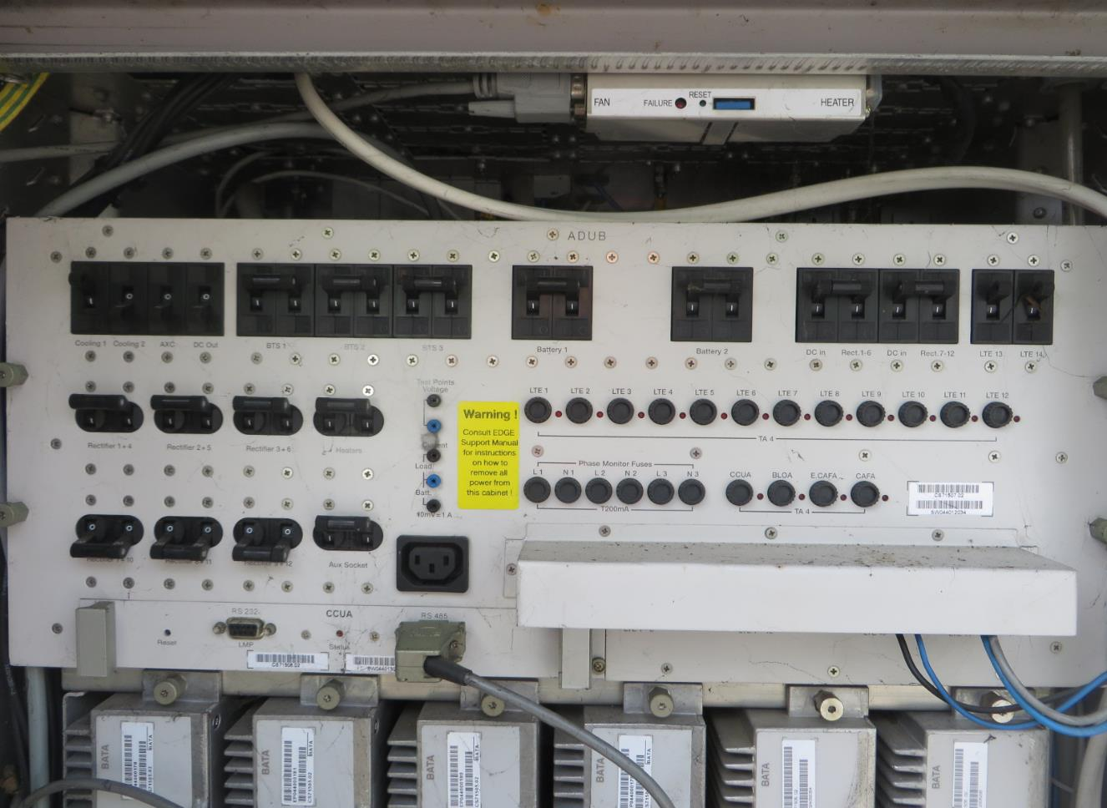
 | Enter Number of 125amp MCB's in use - in the comments section state what equipment is being fed from these MCB's

100amp MCB | Enter Number of spare 100amp MCB's
 | Enter Number of 100amp MCB's in use - in the comments section state what equipment is being fed from these MCB's

80amp MCB | Enter Number of spare 80amp MCB's
 | Enter Number of 80amp MCB's in use - in the comments section state what equipment is being fed from these MCB's

63amp MCB | Enter Number of spare 63amp MCB's
 | Enter Number of 63amp MCB's in use - in the comments section state what equipment is being fed from these MCB's

50amp MCB | Enter Number of spare 50amp MCB's
 | Enter Number of 50amp MCB's in use - in the comments section state what equipment is being fed from these MCB's

32amp MCB | Enter Number of spare 32amp MCB's
 | Enter Number of 32amp MCB's in use - in the comments section state what equipment is being fed from these MCB's

25amp MCB | Enter Number of spare 25amp MCB's
 | Enter Number of 25amp MCB's in use - in the comments section state what equipment is being fed from these MCB's

16amp MCB | Enter Number of spare 16amp MCB's
 | Enter Number of 16amp MCB's in use - in the comments section state what equipment is being fed from these MCB's

10amp MCB | Enter Number of spare 10amp MCB's
 | Enter Number of 10amp MCB's in use - in the comments section state what equipment is being fed from these MCB's

6amp MCB | Enter Number of spare 6amp MCB's
 | Enter Number of 6amp MCB's in use - in the comments section state what equipment is being fed from these MCB's

1100/14, 1100/8 & PSSS PSU's | Are the 100amp (2 prong) and 150amp (3 prong) MCB to BTS cable connection plates installed on this PSU?
Can this PSU be upgraded to take an additional BTS MCB if required?
Enter number of rectifiers installed in PSU |  | 6
Are all rectifiers installed of the same type and rating? If not then detail each type in the comments field |  | Yes
Enter the total number of BTS(s) this PSU is supplying and detail which ones in the comments field - NOTE the BTS detail MUST match the BTS's on the floor plan |  | 2
Are there any obstructions on the wall / ceiling above this PSU? If yes, please comment and photograph
PSU No1 - Existing PSU to BTS DC cable lengths
Enter length of existing DC cable from this PSU to BTS 1 (in meters)
Enter length of existing DC cable from this PSU to BTS 2 (in meters)
Enter length of existing DC cable from this PSU to BTS 3 (in meters)
Enter length of existing DC cable from this PSU to BTS 4 (in meters)
PSU No1 - DC power for Comms
Is the O2 NTE DC-powered by this PSU? |  | Yes
Enter length of existing DC cable from this PSU to NTE (in meters) if applicable
Are any other NTEs DC-powered by this PSU? If yes then specify what will be affected
Will an O2 outage be required if this PSU is swapped? State which elements (GSM900 / GSM1800 / U2100 / U900) |  | Yes - 2G only
Will a VF outage be required if this PSU is swapped? State which elements (GSM900 / GSM1800 / U2100 / U900) |  | No
Will an OLO (other licensed operator) outage be required if this PSU is swapped? State which networks (Airwave, Orange etc)
PSU No1 - Alarm Cabling
Which BTS is reporting the PSU alarms?
Enter length of alarm cable from BTS to PSU (in meters)
Outdoor PSU No1 - Cable Entry Glands / Lightning Protection
How many cable entry glands installed on the outdoor PSU?
How many unused ports available in total?
Enter distance from PSU to Lightning Protection tape connection point (in meters)

PSU No2
Enter PSU No2 Type |  | Site Support Optima
PSU No2 - DC Breaker Allocations and Spares
125amp MCB | Enter Number of spare 125amp MCB's
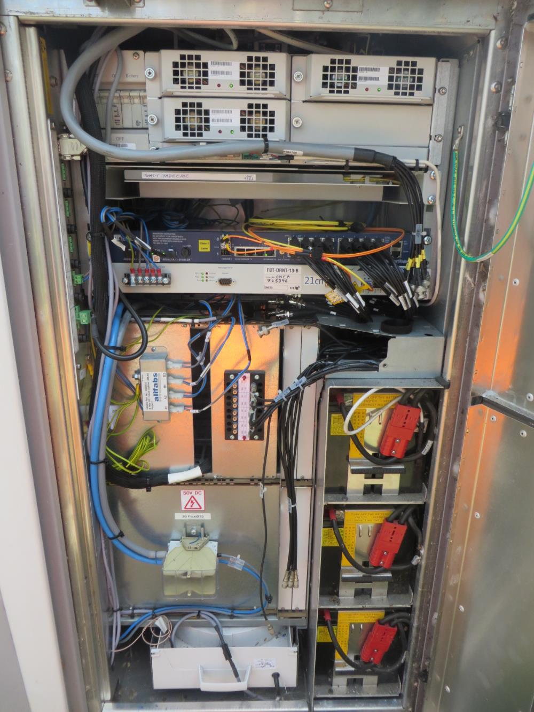
 | Enter Number of 125amp MCB's in use - in the comments section state what equipment is being fed from these MCB's

100amp MCB | Enter Number of spare 100amp MCB's
 | Enter Number of 100amp MCB's in use - in the comments section state what equipment is being fed from these MCB's

80amp MCB | Enter Number of spare 80amp MCB's
 | Enter Number of 80amp MCB's in use - in the comments section state what equipment is being fed from these MCB's

63amp MCB | Enter Number of spare 63amp MCB's
 | Enter Number of 63amp MCB's in use - in the comments section state what equipment is being fed from these MCB's

50amp MCB | Enter Number of spare 50amp MCB's
 | Enter Number of 50amp MCB's in use - in the comments section state what equipment is being fed from these MCB's

32amp MCB | Enter Number of spare 32amp MCB's
 | Enter Number of 32amp MCB's in use - in the comments section state what equipment is being fed from these MCB's

25amp MCB | Enter Number of spare 25amp MCB's
 | Enter Number of 25amp MCB's in use - in the comments section state what equipment is being fed from these MCB's

16amp MCB | Enter Number of spare 16amp MCB's
 | Enter Number of 16amp MCB's in use - in the comments section state what equipment is being fed from these MCB's

10amp MCB | Enter Number of spare 10amp MCB's
 | Enter Number of 10amp MCB's in use - in the comments section state what equipment is being fed from these MCB's

6amp MCB | Enter Number of spare 6amp MCB's
 | Enter Number of 6amp MCB's in use - in the comments section state what equipment is being fed from these MCB's

1100/14, 1100/8 & PSSS PSU's | Are the 100amp (2 prong) and 150amp (3 prong) MCB to BTS cable connection plates installed on this PSU?
Can this PSU be upgraded to take an additional BTS MCB if required?
Enter number of rectifiers installed in PSU
Are all rectifiers installed of the same type and rating? If not then detail each type in the comments field |  | No - See Comments
Enter the total number of BTS(s) this PSU is supplying and detail which ones in the comments field - NOTE the BTS detail MUST match the BTS's on the floor plan
Are there any obstructions on the wall / ceiling above this PSU? If yes, please comment and photograph
PSU No2 - Existing PSU to BTS DC cable lengths
Enter length of existing DC cable from this PSU to BTS 1 (in meters)
Enter length of existing DC cable from this PSU to BTS 2 (in meters)
Enter length of existing DC cable from this PSU to BTS 3 (in meters)
Enter length of existing DC cable from this PSU to BTS 4 (in meters)
PSU No2 - DC power for Comms
Is the O2 NTE DC-powered by this PSU?
Enter length of existing DC cable from this PSU to NTE (in meters) if applicable
Are any other NTEs DC-powered by this PSU? If yes then specify what will be affected
Will an O2 outage be required if this PSU is swapped? State which elements (GSM900 / GSM1800 / U2100 / U900)
Will a VF outage be required if this PSU is swapped? State which elements (GSM900 / GSM1800 / U2100 / U900)
Will an OLO (other licensed operator) outage be required if this PSU is swapped? State which networks (Airwave, Orange etc)
PSU No2 - Alarm Cabling
Which BTS is reporting the PSU alarms?
Enter length of alarm cable from BTS to PSU (in meters)
Outdoor PSU No2 - Cable Entry Glands / Lightning Protection
How many cable entry glands installed on the outdoor PSU?
How many unused ports available in total?
Enter distance from PSU to Lightning Protection tape connection point (in meters)

PSU No3
Enter PSU No3 Type
PSU No3 - DC Breaker Allocations and Spares
125amp MCB | Enter Number of spare 125amp MCB's
 | Enter Number of 125amp MCB's in use - in the comments section state what equipment is being fed from these MCB's

100amp MCB | Enter Number of spare 100amp MCB's
 | Enter Number of 100amp MCB's in use - in the comments section state what equipment is being fed from these MCB's

80amp MCB | Enter Number of spare 80amp MCB's
 | Enter Number of 80amp MCB's in use - in the comments section state what equipment is being fed from these MCB's

63amp MCB | Enter Number of spare 63amp MCB's
 | Enter Number of 63amp MCB's in use - in the comments section state what equipment is being fed from these MCB's

50amp MCB | Enter Number of spare 50amp MCB's
 | Enter Number of 50amp MCB's in use - in the comments section state what equipment is being fed from these MCB's

32amp MCB | Enter Number of spare 32amp MCB's
 | Enter Number of 32amp MCB's in use - in the comments section state what equipment is being fed from these MCB's

25amp MCB | Enter Number of spare 25amp MCB's
 | Enter Number of 25amp MCB's in use - in the comments section state what equipment is being fed from these MCB's

16amp MCB | Enter Number of spare 16amp MCB's
 | Enter Number of 16amp MCB's in use - in the comments section state what equipment is being fed from these MCB's

10amp MCB | Enter Number of spare 10amp MCB's
 | Enter Number of 10amp MCB's in use - in the comments section state what equipment is being fed from these MCB's

6amp MCB | Enter Number of spare 6amp MCB's
 | Enter Number of 6amp MCB's in use - in the comments section state what equipment is being fed from these MCB's

1100/14, 1100/8 & PSSS PSU's | Are the 100amp (2 prong) and 150amp (3 prong) MCB to BTS cable connection plates installed on this PSU?
Can this PSU be upgraded to take an additional BTS MCB if required?
Enter number of rectifiers installed in PSU
Are all rectifiers installed of the same type and rating? If not then detail each type in the comments field |  | No - See Comments
Enter the total number of BTS(s) this PSU is supplying and detail which ones in the comments field - NOTE the BTS detail MUST match the BTS's on the floor plan
Are there any obstructions on the wall / ceiling above this PSU? If yes, please comment and photograph
PSU No3 - Existing PSU to BTS DC cable lengths
Enter length of existing DC cable from this PSU to BTS 1 (in meters)
Enter length of existing DC cable from this PSU to BTS 2 (in meters)
Enter length of existing DC cable from this PSU to BTS 3 (in meters)
Enter length of existing DC cable from this PSU to BTS 4 (in meters)
PSU No3 - DC power for Comms
Is the O2 NTE DC-powered by this PSU?
Enter length of existing DC cable from this PSU to NTE (in meters) if applicable
Are any other NTEs DC-powered by this PSU? If yes then specify what will be affected
Will an O2 outage be required if this PSU is swapped? State which elements (GSM900 / GSM1800 / U2100 / U900)
Will a VF outage be required if this PSU is swapped? State which elements (GSM900 / GSM1800 / U2100 / U900)
Will an OLO (other licensed operator) outage be required if this PSU is swapped? State which networks (Airwave, Orange etc)
PSU No3 - Alarm Cabling
Which BTS is reporting the PSU alarms?
Enter length of alarm cable from BTS to PSU (in meters)
Outdoor PSU No3 - Cable Entry Glands / Lightning Protection
How many cable entry glands installed on the outdoor PSU?
How many unused ports available in total?
Enter distance from PSU to Lightning Protection tape connection point (in meters)

Grounding information
Where will the new PSU be grounded too? |  | N/A
Enter the number of spare grounding points / bolts on the earth bar
Do the spare earth points require nuts, bolts, washers? |  | N/A
Enter the size of the bolts on the earth bar, M8, M10, M11 etc
What is the cable management between the grounding point and the PSUs |  | N/A

Supporting information
Enter any additional information that is not covered by the above questions and may be relevant and assist with the implementation

PSU Details AC
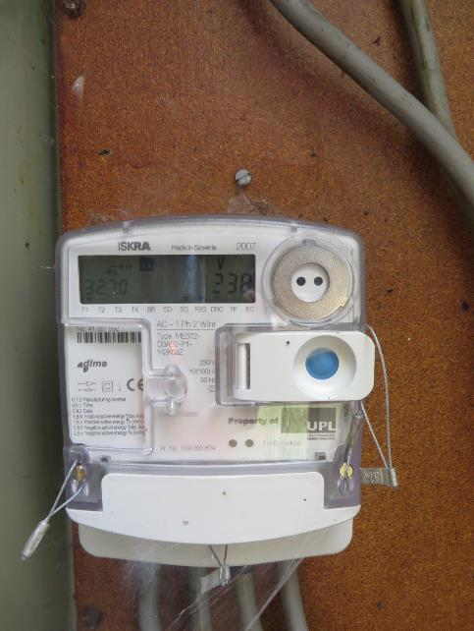
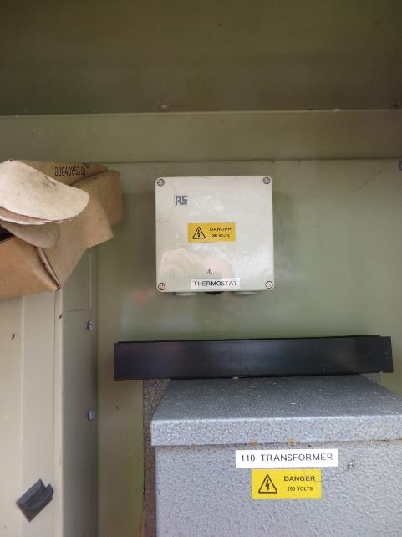
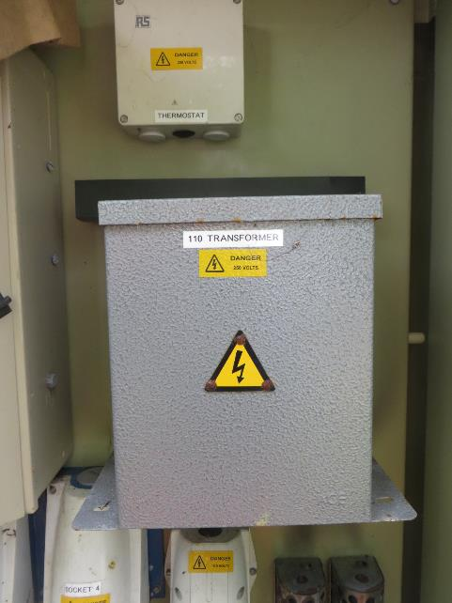
Nokia / O2 Beacon Checklist Survey

PSU - AC Details

Complete the all sections below for the new PSU to be installed.
Add as much additional information as possible in the comments section.
Insert photos of distribution board, MCBs, power cable run and any other relevant issues

New DC Power Supply Details |  |  | Comments
What type of PSU is to be installed? (Call in to project team if unsure) |  | Outdoor Eltek 4th Gen
What type of PSU is to be replaced? (if applicable) (Call in to project team if unsure)
If PSU to be added, state location (eg to LHS of 2G Ultrasite)
AC Supply for Existing DC PSU |  |  | Comments
Enter AC Supply type for PSU - 3 phase or single phase |  | Single Phase
Is the AC supply to the PSU fed from a local isolator or direct from the AC distribution panel? |  | AC panel
What is the make / model of the Distribution Board? |  |  | Merlin Gerin
What are the make / model of the MCBs in the Distribution Board? |  |  | Merlin Gerin
AC Distribution Board |  |  | Current Rating
Are there spare MCB's in the distribution board that can be re-used for a new Eltek PSU? (3 x 40A or 1 x 80A required) | MCB Location and Rating - SP | No
 | MCB Location and Rating - L1 | No
 | MCB Location and Rating - L2 | No
 | MCB Location and Rating - L3 | No
Are there spare MCB's in the distribution board that can be re-used for a new Empower PSU? (3 x 20A or 1 x 40A required) | MCB Location and Rating - SP |  | C40 in use- could be reused
 | MCB Location and Rating - L1 | No
 | MCB Location and Rating - L2 | No
 | MCB Location and Rating - L3 | No
Are there spare ways in the distribution board that can be populated and used for the new PSU? (eg R1 32A) | MCB Location and Rating - SP | No
 | MCB Location and Rating - L1 | No
 | MCB Location and Rating - L2 | No
 | MCB Location and Rating - L3 | No
AC Cabling |  |  | Comments
Cable run - enter cable distance from AC isolator to new PSU - in metres
Cable run - enter cable distance from AC distribution panel to AC isolator - in metres
Enter existing AC cable size (width) from AC distribution panel to PSU (in mm)
Re-use of existing AC circuit for new DC PSU |  |  | Current Rating
If the existing PSU AC supply is to be reused then the following needs to be completed | MCB Location and Rating - SP
 | MCB Location and Rating - L1
 | MCB Location and Rating - L2
 | MCB Location and Rating - L3
 | Isolator Rating
 | AC Supply Cable Size (mm2)

Photo of Distribution Board - Door Closed |  | Photo of Distribution Board Door Open |  | Photo of AC Isolator (existing isolator / position for new)
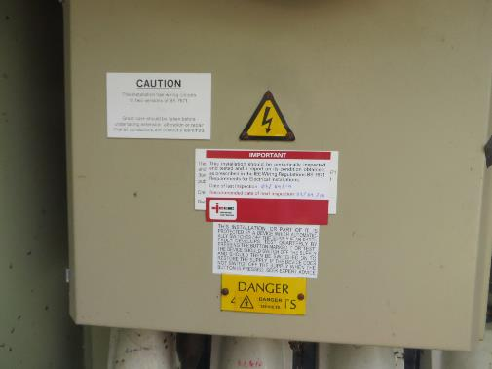 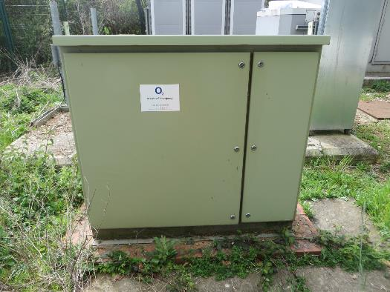 |  | 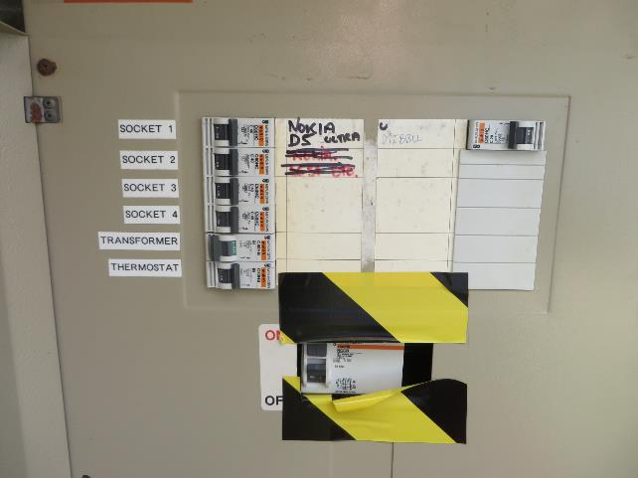 |  | 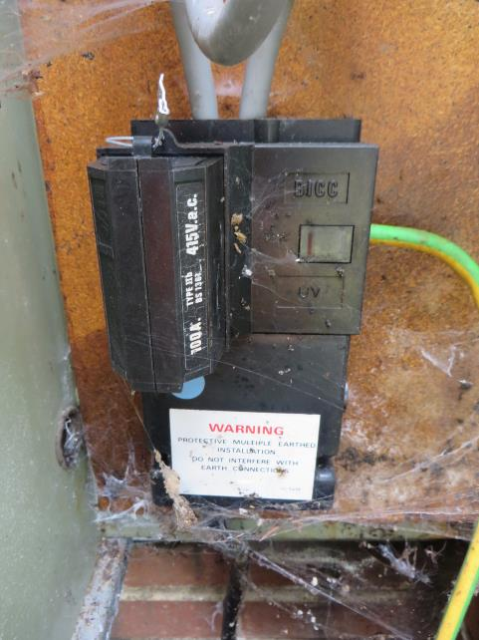

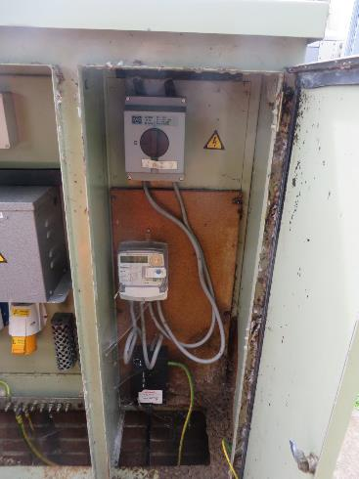
Photo of Power cable run |  | Photo from AC isolator to trunking / breakout point |  | Additional Photos
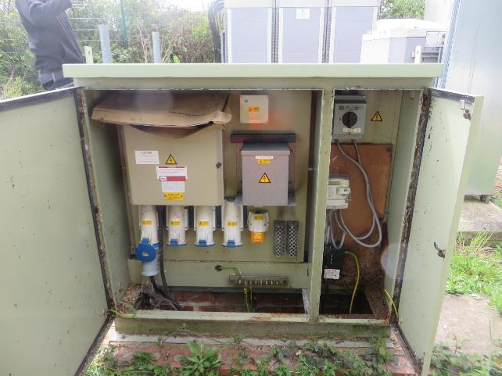 |  | 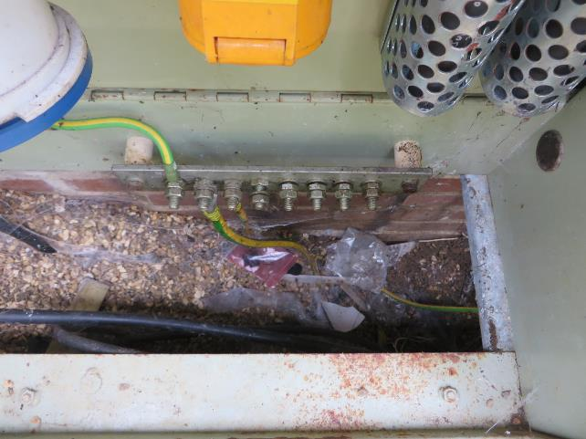 |  | 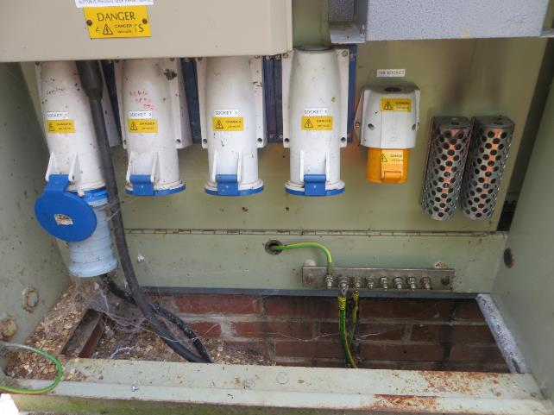

Floor Plan
 | Nokia / O2 Beacon Checklist Survey

Site Layout / Floor Plan Details

Note: To be completed for ALL sites. |  |  |  |  |  |  |  |  |  |  |  | NOTE - To keep consistency between each survey use the following
 |  |  |  |  |  |  |  |  |  |  |  | objects and colour coding to build up the floor plan
Complete a detailed drawing of the cell site layout. The following details must be provided

1. BTS - Existing O2 and VF equipment locations |  |  |  |  |  | 9. Surrounding area dimensions |  |  |  |  |  | O2 Existing PSU and BTS options - Copy to floor plan and size accordingly
2. PSU's - Beacon and existing PSU locations |  |  |  |  |  | 10. Dimensions of area of installation
3. Transmission - Beacon and existing locations |  |  |  |  |  | 11. All heights of equipment, isolators, ladder racking etc.
4. Beacon Rigging - Location of combiners, ASTP's, feeder terminations for O2 and VF
5. Access / Egress to the area |  |  |  |  |  | Drawing to be to scale.
6. Locations of all fencing, trees, borders etc |  |  |  |  |  | All dimensions in mm.
7. Antenna pole / mast positions
8. Locations and distance from FlexiBTS equipment to roads and pavements, including dimensions to pavement edge with doors open
 |  |  |  |  |  |  |  |  |  |  |  | VF Existing PSU BTS options - Copy to floor plan and size accordingly
27V TACS PSU
AC DIST
TACS MCLR
ANT BULHEAD & DIEPLEXORS
ADPCM, CABLE TRAY TO SIDE OF UNIT
PSU 2070 (48V)
600X600
MCELL 6 (900)
500X710
MCELL 6 (900)
MCELL 6 (900)
COMMS
AIB KRONE
MCELL 6 (1800)
MCELL PSU 27V
TACS
650X650
TACS
TACS
AIR CON
AIR CON
27V TACS PSU
AC DIST
TACS MCLR
ANT BULHEAD & DIEPLEXORS
ADPCM, CABLE TRAY TO SIDE OF UNIT
PSU 2070 (48V)
600X600
MCELL 6 (900)
500X710
MCELL 6 (900)
MCELL 6 (900)
COMMS
AIB KRONE
MCELL 6 (1800)
MCELL PSU 27V
TACS
650X650
TACS
TACS
AIR CON
AIR CON
27V TACS PSU
AC DIST
TACS MCLR
ANT BULHEAD & DIEPLEXORS
ADPCM, CABLE TRAY TO SIDE OF UNIT
PSU 2070 (48V)
600X600
MCELL 6 (900)
500X710
MCELL 6 (900)
MCELL 6 (900)
COMMS
AIB KRONE
MCELL 6 (1800)
MCELL PSU 27V
TACS
650X650
TACS
TACS
AIR CON
AIR CON
27V TACS PSU
AC DIST
TACS MCLR
ANT BULHEAD & DIEPLEXORS
ADPCM, CABLE TRAY TO SIDE OF UNIT
PSU 2070 (48V)
600X600
MCELL 6 (900)
500X710
MCELL 6 (900)
MCELL 6 (900)
COMMS
AIB KRONE
MCELL 6 (1800)
MCELL PSU 27V
TACS
650X650
TACS
TACS
AIR CON
AIR CON
27V TACS PSU
AC DIST
TACS MCLR
ANT BULHEAD & DIEPLEXORS
ADPCM, CABLE TRAY TO SIDE OF UNIT
PSU 2070 (48V)
600X600
MCELL 6 (900)
500X710
MCELL 6 (900)
MCELL 6 (900)
COMMS
AIB KRONE
MCELL 6 (1800)
MCELL PSU 27V
TACS
650X650
TACS
TACS
AIR CON
AIR CON
27V TACS PSU
AC DIST
TACS MCLR
ANT BULHEAD & DIEPLEXORS
ADPCM, CABLE TRAY TO SIDE OF UNIT
PSU 2070 (48V)
600X600
MCELL 6 (900)
500X710
MCELL 6 (900)
MCELL 6 (900)
COMMS
AIB KRONE
MCELL 6 (1800)
MCELL PSU 27V
TACS
650X650
TACS
TACS
AIR CON
AIR CON
27V TACS PSU
AC DIST
TACS MCLR
ANT BULHEAD & DIEPLEXORS
ADPCM, CABLE TRAY TO SIDE OF UNIT
PSU 2070 (48V)
600X600
MCELL 6 (900)
500X710
MCELL 6 (900)
MCELL 6 (900)
COMMS
AIB KRONE
MCELL 6 (1800)
MCELL PSU 27V
TACS
650X650
TACS
TACS
AIR CON
AIR CON
27V TACS PSU
AC DIST
TACS MCLR
ANT BULHEAD & DIEPLEXORS
ADPCM, CABLE TRAY TO SIDE OF UNIT
PSU 2070 (48V)
600X600
MCELL 6 (900)
500X710
MCELL 6 (900)
MCELL 6 (900)
COMMS
AIB KRONE
MCELL 6 (1800)
MCELL PSU 27V
TACS
650X650
TACS
TACS
AIR CON
AIR CON
27V TACS PSU
AC DIST
TACS MCLR
ANT BULHEAD & DIEPLEXORS
ADPCM, CABLE TRAY TO SIDE OF UNIT
PSU 2070 (48V)
600X600
MCELL 6 (900)
500X710
MCELL 6 (900)
MCELL 6 (900)
COMMS
AIB KRONE
MCELL 6 (1800)
MCELL PSU 27V
TACS
650X650
TACS
TACS
AIR CON
AIR CON
27V TACS PSU
AC DIST
TACS MCLR
ANT BULHEAD & DIEPLEXORS
ADPCM, CABLE TRAY TO SIDE OF UNIT
PSU 2070 (48V)
600X600
MCELL 6 (900)
500X710
MCELL 6 (900)
MCELL 6 (900)
COMMS
AIB KRONE
MCELL 6 (1800)
MCELL PSU 27V
TACS
650X650
TACS
TACS
AIR CON
AIR CON
27V TACS PSU
AC DIST
TACS MCLR
ANT BULHEAD & DIEPLEXORS
ADPCM, CABLE TRAY TO SIDE OF UNIT
PSU 2070 (48V)
600X600
MCELL 6 (900)
500X710
MCELL 6 (900)
MCELL 6 (900)
COMMS
AIB KRONE
MCELL 6 (1800)
MCELL PSU 27V
TACS
650X650
TACS
TACS
AIR CON
AIR CON
27V TACS PSU
AC DIST
 |  |  |  |  | 1300 | 760 |  | 760 | 100 | 200

 |  |  |  |  |  |  |  |  |  | 750
 |  | 1250 | 630
 |  |  |  |  |  |  |  |  |  |  | 2650 | Beacon BTS PSU options - Copy to floor plan and size accordingly

 |  |  |  | 400 | 350

 |  |  |  |  |  |  |  | 1600

 |  | 1500 |  |  |  |  |  |  |  |  |  | Beacon and Comms Equipment - Copy to floor plan and size accordingly

 |  |  |  |  |  |  |  |  |  |  | 1200 | Beacon and Existing RF Equipment - Copy to floor plan and size accordingly

 |  |  |  |  |  |  | 400
 |  |  |  | 1500 |  |  |  |  |  | 250

 |  |  |  |  |  |  |  |  |  |  | 800 | Other Items
 |  |  |  |  |  |  |  |  | 770 |  |  |  | Earth Bar

 |  |  |  |  |  |  | 600
 |  |  |  | 1250 |  |  |  |  |  |  |  |  | PSU Isolator

 |  |  |  |  |  |  |  |  |  |  |  |  | Dimension Lines

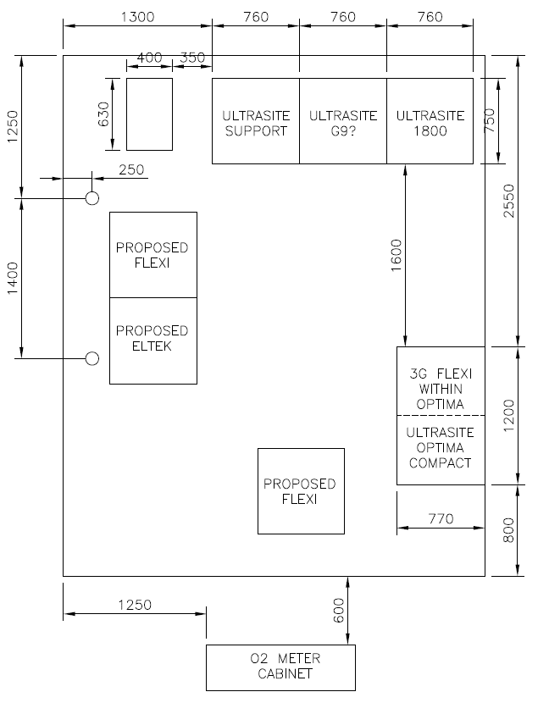
 |  |  |  |  |  |  |  |  |  |  |  |  | Overhead or Underground Line (Duct or 2/3G Antenna Bulkhead)

 |  |  |  |  |  |  |  |  |  |  |  |  | Road or Footpath

 |  |  |  |  |  |  |  |  |  |  |  |  | Brick Wall

 |  |  |  |  |  |  |  |  |  |  |  |  | Grass

 |  |  |  |  |  |  |  |  |  |  |  |  | Steel Grillage

 |  |  |  |  |  |  |  |  |  |  |  |  | Steelwork

 |  |  |  |  |  |  |  |  |  |  |  |  | Traywork

 |  |  |  |  |  |  |  |  |  |  |  |  | Power Upstand

Photographs
Nokia / O2 Beacon Checklist Survey

Existing equipment and site photograph's

The following photograph's must be taken and inserted to the spread sheet below
Where necessary insert additional pictures that will assist the survey and install process

1. General view of building / location of site |  |  | 8. O2 Existing MEAS / Transmission Equipment |  |  |  | 14. Site Issues
 |  |  | Images of O2 MEAS and existing BT NTE's. |  |  |  | Images of all access / egress issues and existing issues that will impede on the installation process
2. General view of access to site |  |  | Images including close up of Ethernet and E1 ports
Images showing access route from site entrance all the way to the BTS location |  |  |  |  |  |  | 15. Open Deficiencies images
Images to show all access issues and clear defined route to the BTS location |  |  | 9. VF Existing MEAS / Transmission Equipment |  |  |  | Supporting images for any opened deficiencies raised on site
 |  |  | Images of VF MEAS and existing BT NTE's.
3. General view of Cell site - image includes Beacon BTS locations |  |  | Images including close up of Ethernet and E1 ports
Image includes Beacon BTS locations
Images of BTS location from several angles |  |  | 10. Beacon MEAS / Transmission Equipment
Images of access looking away from the BTS towards the cabin door |  |  | Images of Beacon MEAS / Transmission equipment
 |  |  | Images including close up of Ethernet and E1 ports
4. All images to assist installation - cable routes etc
Images to show cabling routes from the BTS's towards the Comms and PSU locations |  |  | 11. Existing RF / Combiner and Feeder Details
 |  |  | Images of all existing RF equipment including ASTP's / combiners and cabling routes
5. Existing Equipment - 2G / 3G / LTE images |  |  | and ALL cable entry gland / points to each cabinet
Full height view of cabinet with door open / covers off
 |  |  | 12. Beacon RF / Combiner and Feeder Details
6. Beacon PSU - Full height view of cabinet |  |  | Images of Beacon RF equipment including ASTP's / combiners and cabling routes
Images of Beacon PSU including close up of MCB's and rectifiers
Images of PSU with doors open |  |  | 13. Feederless Sites
 |  |  | Images of all remote module locations
7. Existing PSU's - Images of all PSU's on site |  |  | Images of all DC supplies installed for each location
Images of all NON Beacon PSU's. Images including close up of MCB and rectifiers |  |  | Images of all Fiber cabling installed for each location

NOTE:
ALL images must be clear and as much detail captured as possible.
DO NOT shrink or stretch images as this will distort them
Insert as many images as required to emphasize any points being captured - too many images are better than none.

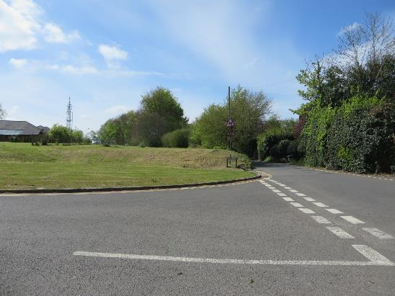
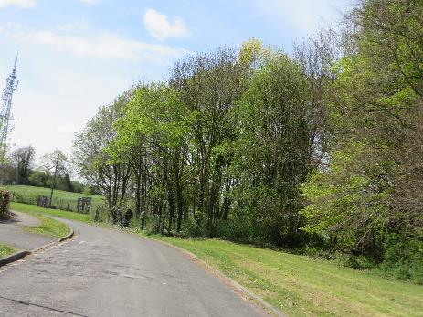
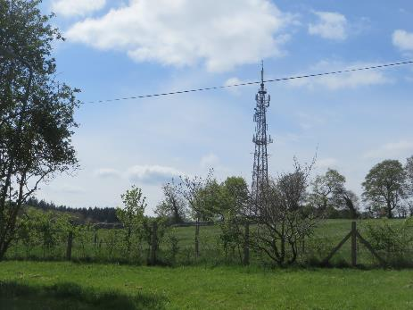
1. General view of building / location of site |  |  |  |  | 2. General view of access to site |  |  |  | 2. General view of access to site
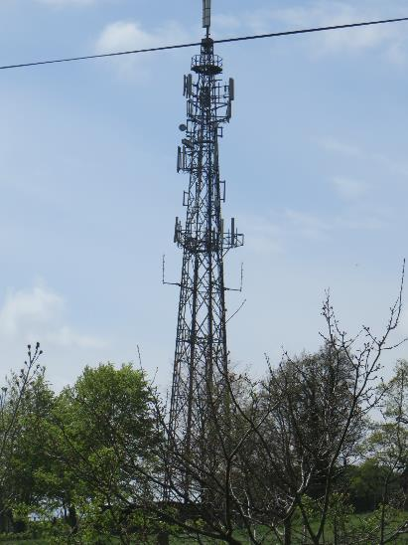
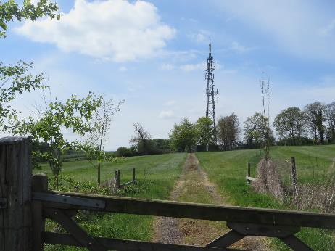
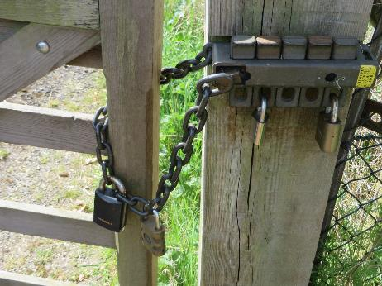
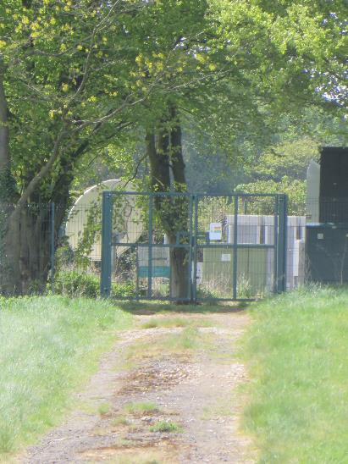
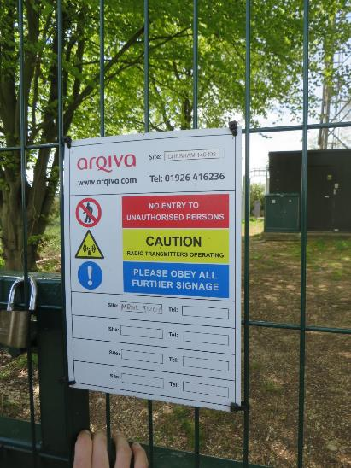
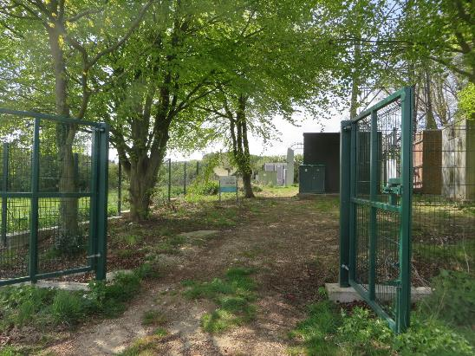

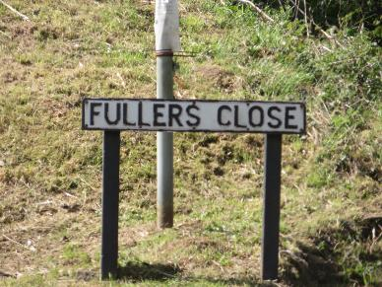

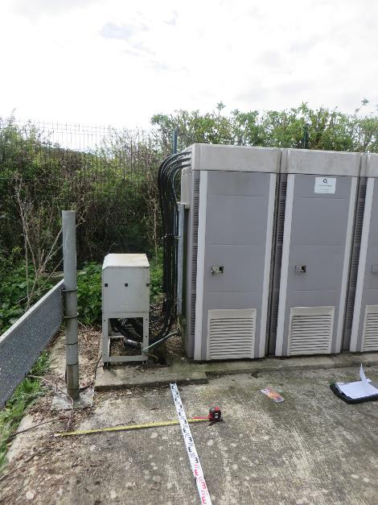
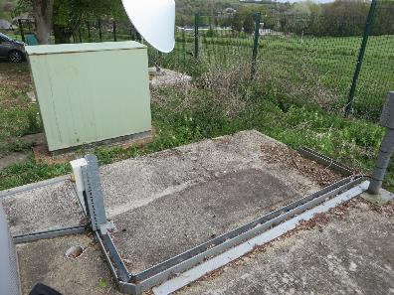
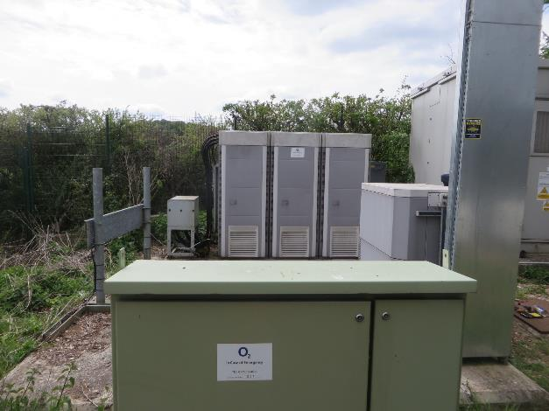
3. General view of Cell site - image includes Beacon BTS locations |  | 3. General view of Cell site - image includes Beacon BTS locations |  |  |  |  | 3. General view of Cell site - image includes Beacon BTS locations
Use several images if required |  | Use several images if required |  |  |  |  | Use several images if required
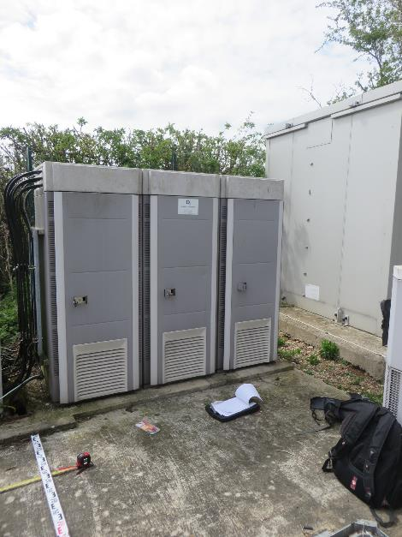
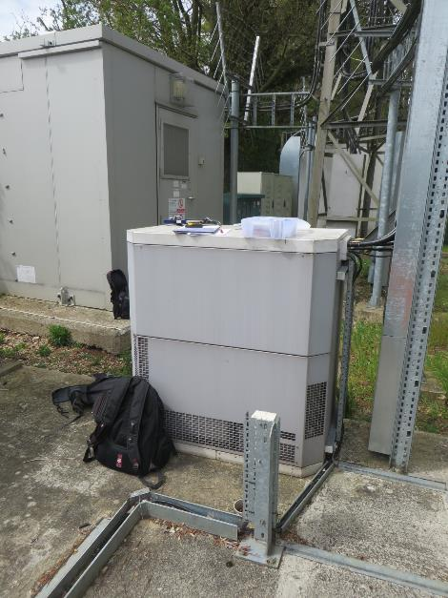
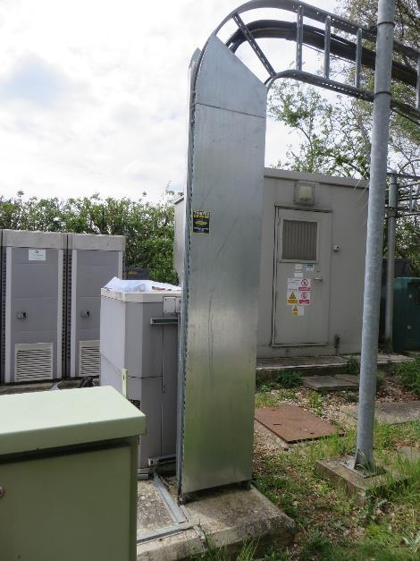
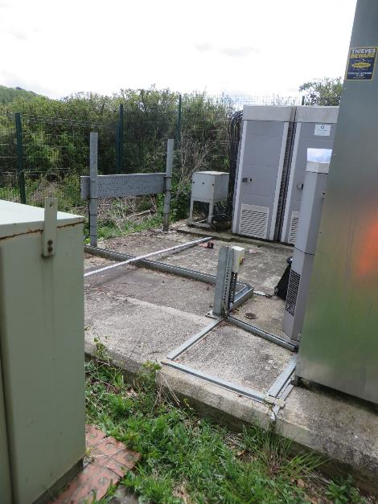

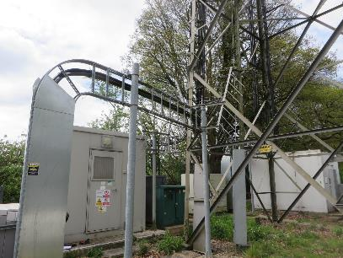

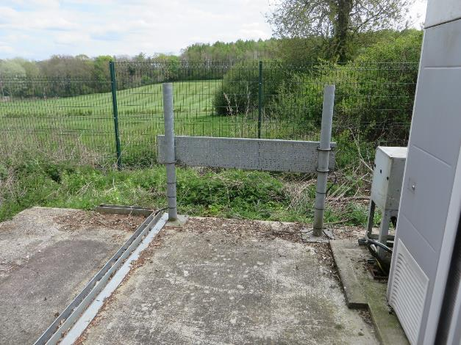

4. All images to assist installation - cable routes etc |  |  |  |  | 4. All images to assist installation - cable routes etc |  |  |  | 4. All images to assist installation - cable routes etc
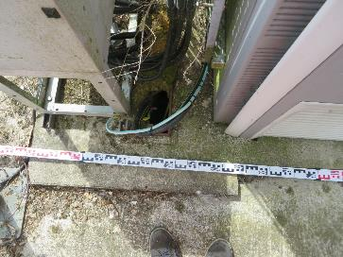
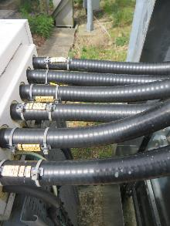
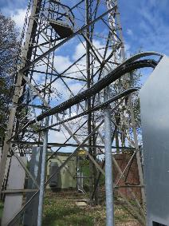
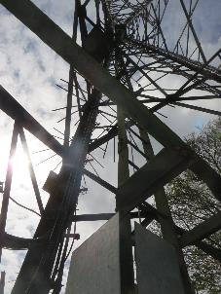
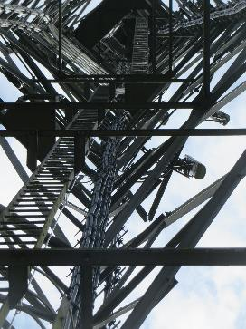
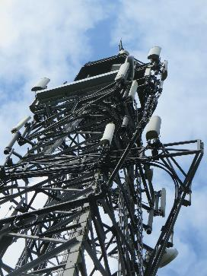
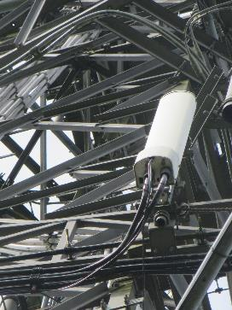
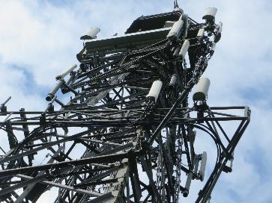
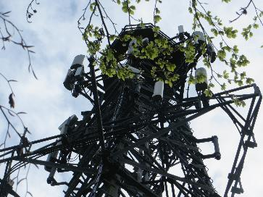

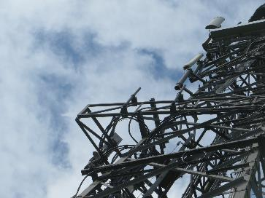
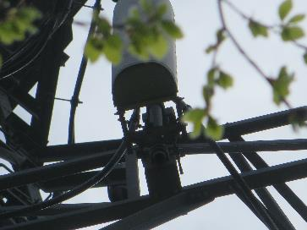
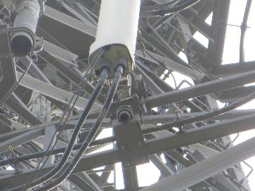
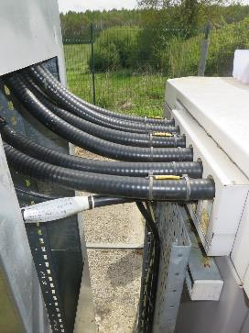
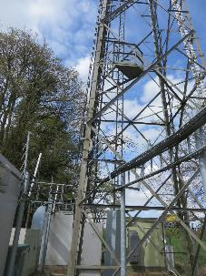
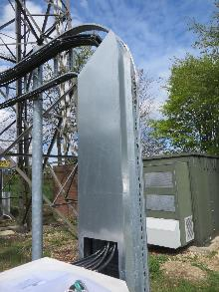

5. Existing 2G Equipment - Full height view of cabinet with door open / covers off |  |  |  | 5. Existing 3G Equipment - Full height view of cabinet with door open / covers off |  |  |  | 5. Existing LTE Equipment - Full height view of cabinet with door open / covers off
Add additional images of all 2G equipment |  |  |  | Add additional images of all 3G equipment |  |  |  | Add additional images of all LTE equipment
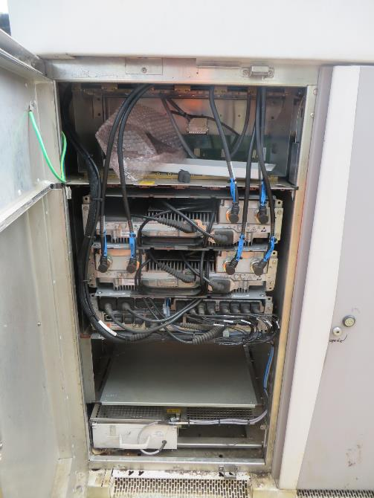




6. Beacon PSU - Full height view of cabinet with door open |  | 6. Beacon PSU - Full height view of cabinet with door open



7. Existing PSU's - Images of all PSU's on site |  | 7. Existing PSU's - Images of all PSU's on site |  |  |  |  | 7. Existing PSU's - Images of all PSU's on site
Image of rectifiers and MCB's |  | Image of rectifiers and MCB's |  |  |  |  | Image of rectifiers and MCB's



MEAS in Optima Compact
Comms in Ultrasite Support
8. O2 Existing MEAS / Transmission Equipment |  | 8. O2 Existing MEAS / Transmission Equipment







9. VF Existing MEAS / Transmission Equipment |  | 9. VF Existing MEAS / Transmission Equipment

10. Beacon MEAS / Transmission Equipment |  | 10. Beacon MEAS / Transmission Equipment |  |  |  |  | 10. Beacon MEAS / Transmission Equipment
NO VF BEACON MEAS INSTALLED ON SITE

11. Existing RF / Combiner and Feeder Details | 11. Existing RF / Combiner and Feeder Details |  |  |  |  | 11. Existing RF / Combiner and Feeder Details

12. Beacon RF / Combiner and Feeder Details |  | 12. Beacon RF / Combiner and Feeder Details |  |  |  |  | 12. Beacon RF / Combiner and Feeder Details

13. Feederless Sites - Remote RF Module No1 Location |  | 13. Feederless Sites - Remote RF Module No2 Location |  |  |  |  | 13. Feederless Sites - Remote RF Module No3 Location

NO FEEDERLESS CONFIGS ON SITE FOR THIS PHASE

14. Site Issues - All access / egress issues and existing issues that will impede on the installation process

NO SITE ISSUES TO REPORT

15. Open Deficiencies images |  | 15. Open Deficiencies images

NO DEFICIENCIES TO REPORT

On Site Risk Assessment


